1. Title Page
Instacart Basket Analysis

Project Name: Instacart Basket Analysis
Date:October 21, 2022
Analyst Name: Kayla Martinez

Contents:
Population Flow
Consistency checks
Wrangling steps
Column derivations
Visualizations
Recommendations

2. Population Flow
Title page

Population flow

Exclusion flag
Condition: max_order < 5
Obervations to be removed: 1,440,295
Final total count of order_products_all: 30,964,564,

Orders_products_combined
Orders_products_merged
Orders_products_all

Total: 32,404,859
Total: 32,434,489
Total: 32,404,859

1.) The grey boxes in the first row of the population flow represent the original data sets as they were when you downloaded them. In the Total fields you need to add the count of the rows when you imported the data set into Jupyter.
2.) The second row of boxes (coloured) represents the data sets after you manipulated them, e.g., removed missing values and duplicates. In the Total fields you need to add the count of the rows after conducting these operations. This offers a visual oveview of how the data flows throughout the data consistency checks.
3.) The third row, where also the arrows are coloured, represents the merges you performed between the datasets. In the Total fields you need to add the count of the rows in the merged datasets, so that you end up with the final dataset (in the red box). Keep in mind the final dataset should be without exclusions (based on the exclusion flag).

3. Consistency checks
 |  |  |  |  | Title page
Consistency checks

Dataset | Column | Missing values | Missing values treatment | Duplicates
orders | days_since_prior_order | 206209 Nan | nothing indicates forst order | No duplicates found
products | product_name | 16 Nan | created dataset without missing values
 | prices | 2 values>25 | Changed to NaN
 |  |  |  | 5 duplicates removed
orders_products_prior |  | Nothing missing |  | No duplicates found
customers | first_named | 11259 NaN | nothing, names will be removed later | No duplicates found

4. Wrangling steps
 |  |  |  |  | Title page
Wrangling steps

Dataset | Columns dropped | Columns renamed | Columns' type changed | Comment/Reason
Orders | eval_set |  |  | Outdated
 |  | orders_dow>Order_day_of_week |  | name was not clear
 |  | user_id> customer_id |  | name was not clear
 |  |  | order_id > str | column acts as key
 |  |  | order_id | int32
 |  |  | customer_id | int32
 |  |  | orders_day_of_week | int8
 |  |  | orders_hour_of_day | int8
 |  |  | days_since_prior_order | float16
Products |  |  | product_id | int32
 |  |  | aisle_id | int8
 |  |  | department_id | int8
 |  |  | prices | float32
Customers |  | surnam -> surname |  | name was not clear
 |  | n_dependants -> #_of_dependants |  | name was not clear
 |  |  | customer_id | reduced to int32
 |  |  | first_name | mixed data type
 |  |  | age | reduced to int8
 |  |  | #_of_dependants | reduced to int8
 |  |  | income | reduced to int32
Departments |  |  | department_id | reduced to int8
Orders_products_ all | first_name |  |  | PII issues
 | last_name |  |  | PII issues
 | department_id |  |  | reduced memory

5. Column derivations
 |  |  |  |  | Title page

Column derivations and aggregations

Dataset | New column | Column/s it was derived from | Conditions | Code
orders_products_merged | price_range | prices | If price <= $5, it will be labeled a “low-range product.” If price > $5 but l<= $15, it will be labeled a “mid-range product.” If price > $15, it will be labeled a “high-range product.” | def price_label(row): if row['prices'] <= 5: return 'Low-range product' elif (row['prices'] > 5) and (row['prices'] <= 15): return 'Mid-range product' elif row['prices'] > 15: return 'High range' else: return 'Not enough data'
 | busiest_day | order_day_of_week | if day 0 - 'busiest day', if day 4 - 'least busy', else-'regularly busy' | result = [] for value in ords_prods_merged["orders_day_of_week"]: if value == 0: result.append("Busiest_day") elif value == 4: result.append("Least_busy") else: result.append("Regularly_busy") ords_prods_merged['busiest_day']=result
 | busiest_days | order_day_of_week | if day 0 or 1- 'busiest days', if day 4 or 3- 'least busy', else-'regularly busy' | result = [] for value in ords_prods_merged["orders_day_of_week"]: if value == 0: result.append("Busiest_days") elif value == 4: result.append("Least_busy_days") else: result.append("Regularly_busy")
 | busiest_period_of_day | order_hour_of_day | if hour of day <=16 and >=9, then 'most orders', if hour of day <6 then 'fewest orders', else - 'average orders'. | result2 = [] for value in ords_prods_merged["order_time_of_day"]: if value >=9 and value <=16: result2.append("Most Orders") elif value <=6: result2.append("Average Orders") else: result2.append("Fewest Orders")
orders_products_merged_ver2 | max_order | customer_id, order_number | maximum orders per customer | ords_prods_merge['max_order'] = ords_prods_merge.groupby(['customer_id'])['order_number'].transform(np.max)
 | loyalty_flag | max_order | if max_order>40, customer is 'loyal customer', if max_order<=40 and>10, then customer is 'regular customer', if max_order<=10 then customer is 'new customer'. | ords_prods_merge.loc[ords_prods_merge['max_order'] > 40, 'loyalty_flag'] = 'Loyal customer' ords_prods_merge.loc[(ords_prods_merge['max_order'] <= 40) & (ords_prods_merge['max_order'] > 10), 'loyalty_flag'] = 'Regular customer' ords_prods_merge.loc[ords_prods_merge['max_order'] <= 10, 'loyalty_flag'] = 'New customer'
 | spending_flag | average_price | if average_price<10, then customer is 'low spender', if average_price>=10, then customer is 'high spender' | df.loc[df['mean_order_price']<10, 'spending_flag'] = 'Low spender' df.loc[df['mean_order_price']>=10, 'spending_flag'] = 'High spender'
 | mean_order_price | customer_id, prices | mean price by user | df['mean_order_price'] = df.groupby(['customer_id'])['prices'].transform(np.mean)
full_instacart_data | frequency_flag | customer_id, days_since_prior_order | if median_order_days >20, then customer is 'non-frequent customer' if median_order_days >10 and <=20, then customer is 'regular customer', if median_order_days<=10, then customer is 'frequent customer' | df.loc[df['order_frequency']>20, 'frequency_flag'] = 'Non-frequent customer' df.loc[(df['order_frequency']>10) & (df['order_frequency']<=20), 'frequency_flag'] = 'Regular customer' df.loc[df['order_frequency']<=10, 'frequency_flag'] = 'Frequent customer'
 | region | state | Northeast = ['Maine', 'New Hampshire', 'Vermont', 'Massachusetts', 'Rhode Island', 'Connecticut', 'New York', 'Pennsylvania', 'New Jersey'] Midwest = ['Wisconsin', 'Michigan', 'Illinois', 'Indiana', 'Ohio', 'North Dakota', 'South Dakota', 'Nebraska', 'Kansas', 'Minnesota', 'Iowa', 'Missouri'] South = ['Delaware', 'Maryland', 'District of Columbia', 'Virginia', 'West Virginia', 'North Carolina', 'South Carolina', 'Georgia', 'Florida', 'Kentucky', 'Tennessee', 'Mississippi', 'Alabama', 'Oklahoma', 'Texas', 'Arkansas', 'Louisiana'] West = ['Idaho', 'Montana', 'Wyoming', 'Nevada', 'Utah', 'Colorado', 'Arizona', 'New Mexico', 'Alaska', 'Washington', 'Oregon', 'California', 'Hawaii'] | df2.loc[df2['State'].isin(Northeast), 'Region'] = 'Northeast' df2.loc[df2['State'].isin(Midwest), 'Region'] = 'Midwest' df2.loc[df2['State'].isin(South), 'Region'] = 'South' df2.loc[df2['State'].isin(West), 'Region'] = 'West'
 | total_orders | customer_id | # of orders made by each user | df2['Total_orders']=df2.groupby(['Customer_id']).Customer_id.transform('count')
 | Activity_flag | max_order | if max_order>=5, customer is active, else customer is inactive and should be excluded from analysis | df_merged.loc[df_merged['max_order']>=5, 'activity']='1' df_merged.loc[df_merged['max_order']<5, 'activity']='0'
 | age grouping | age | - Age range 1 = Young Adult >= 18 & <35 - Age range 2 = Adult >=35 & <60 - Age range 3 = Senior >= 60 | df3.loc[(df3['Age'] >= 18) & (df3['Age'] <= 35), 'Age_range'] = '1' df3.loc[(df3['Age'] > 35) & (df3['Age'] < 60), 'Age_range'] = '2' df3.loc[(df3['Age'] >= 60), 'Age_range'] = '3' df3['Age_range'].value_counts()
 | income grouping | income | - Less than 50,000 = Low Income - Between 50,000 & 120,000 = Middle Income - Above 120,000 = High Income | df3.loc[df3['Income']<50000, 'Income_flag'] = 'Low Income' df3.loc[(df3['Income']>=50000) & (df3['Income']<=120000), 'Income_flag'] = 'Middle Income' df3.loc[df3['Income']>120000, 'Income_flag'] = 'High Income' df3['Income_flag'].value_counts(dropna = False)
 | dependant grouping | #_of_dependants | if customer has more than 0 dependants, customer has dependants, otherwise- customer doesn’t have dependants | df3.loc[df3['#_of_dependants']== 0, 'Dependent_flag'] = 'No Dependents' df3.loc[df3['#_of_dependants'] > 0, 'Dependent_flag'] = 'Has Dependent/s'
 | pet status | department_id | if department column for customer contains pet stuff, customer has bought pet stuff(1), otherwise customer hasn't bought pet stuff(0) | pet_parents=df3.loc[df3['department']=='pets']
 | Parent status | department_id | if department column for customer contains baby stuff, customer has bought baby stuff and is labelled as parent | parents=df3.loc[df3['department']=='babies']

6. Visualizations
 |  |  |  |  |  |  |  |  | Title page

Visualisations

Key Questions:

Question 1
The sales team need to know what the busiest days of the week and hours of the day are.
This information is used for best ad times. |  |  |  |  | Distribution of orders by day of week
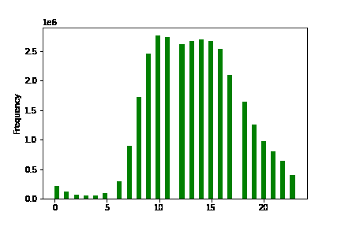
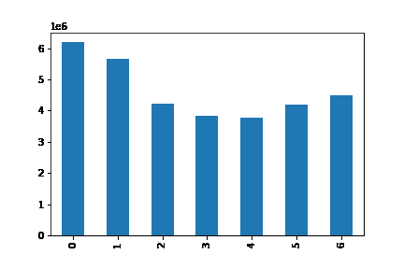

This histogram shows the number of orders placed at each hour of day. We can see that most of the orders are placed starting from 9am till 4pm. It is recommended to schedule ads outside of this time period.
 |  |  |  |  |  | Days of week Sunday to Friday
This bar chart presents the number of orders placed each day of the week starting with Sunday. We can clearly see that most of the orders are made during the weekend, so the ads could be scheduled on weekdays (Wednesday and Thursdays specifically)

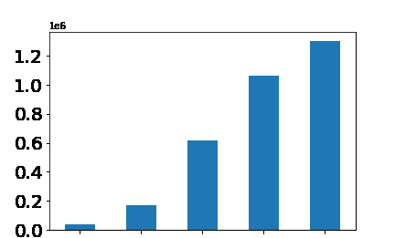

Time of day breakdown:
- 12:00 am - 05:59 am = Early morning
- 06:00 am - 11:59 pm = Morning
- 12:00 pm - 04:59 pm = Afternoon
- 05:00 pm - 08:59 pm = Evening
- 08:59 pm - 11:59 pm = Night

Early_morning
Night
Evening
Morning
Afternoon

This bar graph shows that the early morning and night hours are the slowest for Instacart orders with the evening hours not far behind.

Recommendations: Ads should be scheduled on weekdays in the early morning, night, and evening when there are fewest orders being placed.

Question 2
They also want to know whether there are particular times of the day when people spend the most money,
as this might inform the type of products they advertise at these times

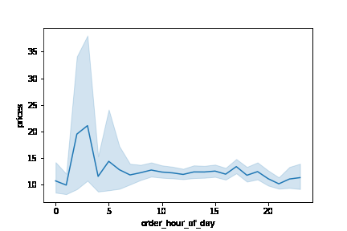

The line chart shows the average total order price of orders purchased at each hour of day. We can see that on average, the most expensive products are purchased from around 12 pm till around 7 am.

Recommendations: Sales team should analyze the time 12pm and 7am in order to place ads for high range products.

Question 3
Instacart has a lot of products with different price tags.
Marketing and sales want to use simpler price groupings to help direct their efforts

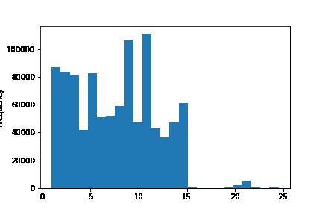

The histogram to the left presents the distribution of prices for products. Here we can see that most of the prices are lower than $15.

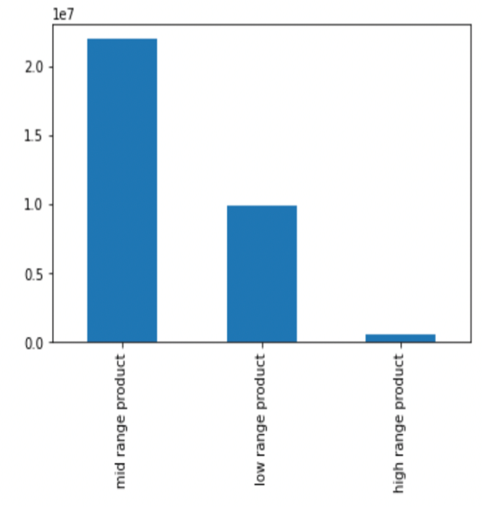
If the item’s price is lower than or equal to $5, it will be labeled a “low-range product.”
If the item’s price is above $5 but lower than or equal to $15, it will be labeled a “mid-range product.”
If the item’s price is above $15, it will be labeled a “high-range product.”

The bar chart represents the composition of products by price range. We can see that the largest share of products are mid-range products.

Recommendations: Analysis should go into raising sales for low-range products. Currently low-range products account for 31% of sales, but almost 50% of available products.

Question 4
What products are more or less popular?
The Marketing and Sales team wants to know which department have the highest frequency of product orders
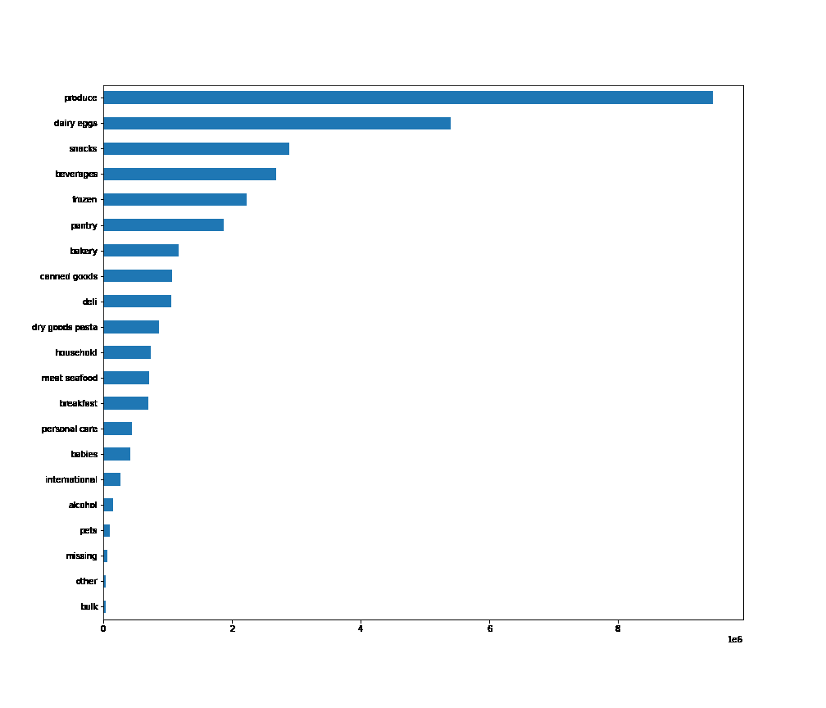

The bar chart to the left presents number of orders by department. The highest number of purchased products were from produce department, followed by dairy eggs, snacks, beverages and frozen departments. The least number of purchases were made from bulk department.

Recommendations: : The produce, dairy & eggs, snacks, beverages, and frozen departments account for the majority of orders and sales. Continued focus on these departments is recommended while analyzing how to increase sales in lower performing areas such as personal care and alcohol which can be frequently advertised.

Question 5
What’s the distribution among users in regards to their brand loyalty (i.e., how often do they return to Instacart)?

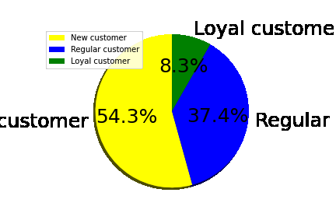
Customers were grouped into 3 categories based on the amount of their orders:
Loyal customer = more than 40 orders
Regular customer = equal to or less than 40 and more than 10 orders
New customer = equal to or less than 10 orders

Most customers are new customers with 54.3%. The least amount of customers are categorized as loyal customers at just 8.3%

Recommendations: The sales team should target more advertisements toward regular customers and new customers in order to increase frequency of orders and sales.

Question 6
Are their differences in ordering habits based on region?

 |  | Distribution of customer per region
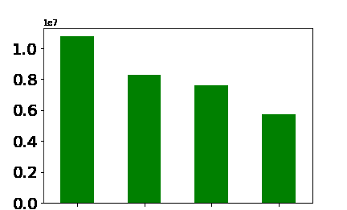

This bar chart displays the regional distribution of customers. The South has the most customers and the Northeast has the least. The number of customers per region are presented in the chart to the right. It is important to note that the region grouped as "South" also has the most states assigned to it as displayed in the chart to the right.

South
West
Midwest
Northeast

 |  |  |  |  |  |  | Customer Shopping Frequency per region
 | # of States in each region |  |  | Regional Distribution of Customers

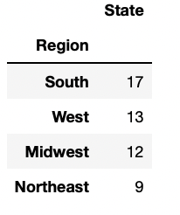
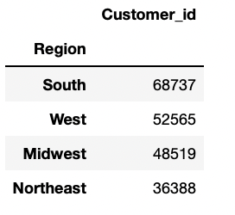
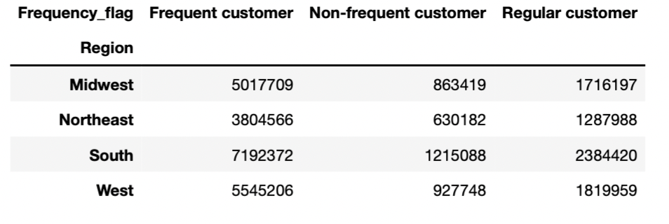

The chart above shows the frequency at which customers from the four regions shop. The South has the most frequent, non-frequent, and regular customers. The Northeast has the least.
 |  | Distribution of Customer Loyalty per region

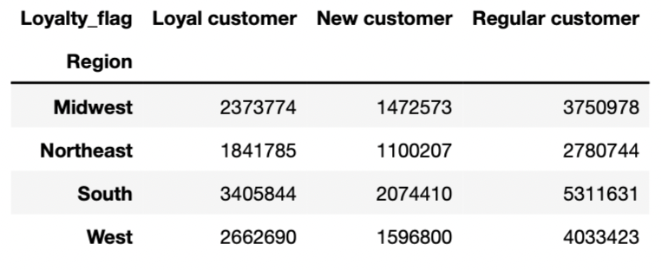

if median_order_days >v20, then customer = non-frequent customer
if median_order_days > 10 and <= 20, then customer = regular customer,
if median_order_days <= 10, then customer = frequent customer

 |  |  |  |  |  |  |  | Sales by Region

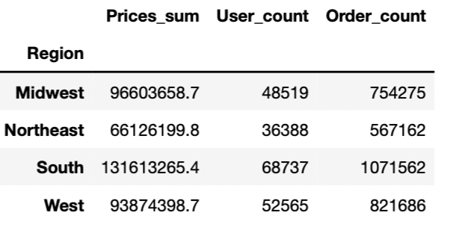

The chart above shows the distribution of customers in each region based on their loyalty flag. The South has the most Loyal, New, and Regular customers. The Northeast has the least of all loyalty flags.

if max_order > 40, customer = loyal customer
if max_order <= 40 and > 10, then customer = regular customer
if max_order <= 10 then customer = new customer

The chart above summarizes the sales by region, total customers per region, and total orders placed in each region. The south has the most customers, the most orders placed, and overall sold the most. The Northeast had the least of all three.

 |  |  | Regional Income Distribution Stacked Bar chart
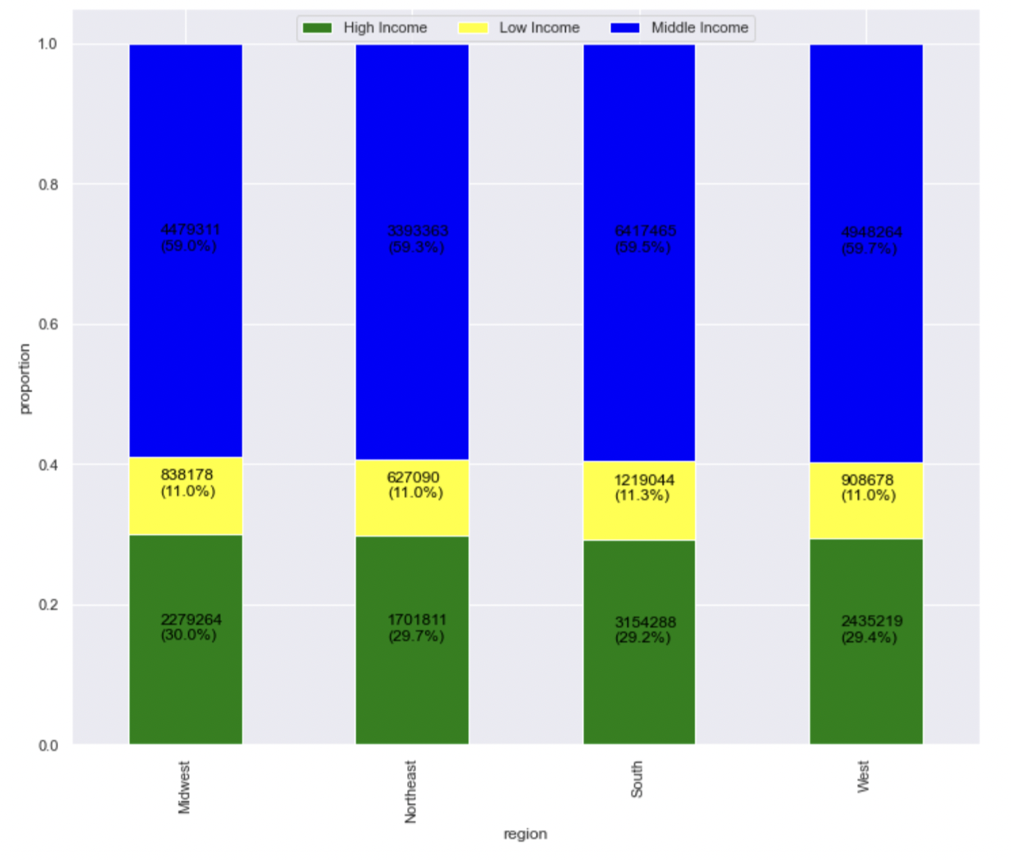

 |  |  |  |  |  | Grouping of Income
- Less than 50,000 = Low Income
- Between 50,000 & 120,000 = Middle Income
- Above 120,000 = High Income

The bar chart to the left shows the income ranges of customers within each region. The chart displays very similar proportions of high income, middle income, and low income customers within each region with slighly more middle income customers in the West. There are slighlty more high income customers in the Mideast. The South has slightly more low income customers.

Midwest
Northeast
South
West

Recommendations: The number of customers from regions and sales per region corresponds to the population size of these regions. So the ads should be targeted to increase customer base across all four regions.

Question 7
Is there a connection between age and family status in terms of ordering habits?

 |  | Orders made by age group

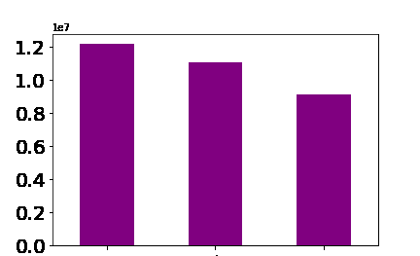

The bar chart to the left indicates that Adults have made the most orders out of all of the age groups. Young adults have made the least orders.

- Age range 1 = Young Adult >= 18 & <35
- Age range 2 = Adult >=35 & <60
- Age range 3 = Senior >= 60

Adult
Senior
Young Adult

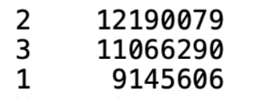
Adult
The largest age group of customers at Instacart are Adults 35 yrs to 59 years old. The smallest age group are Young Adults 18 years to 34 years old.
Senior

Young Adult

 |  |  | Orders made by Customers of each Family Status
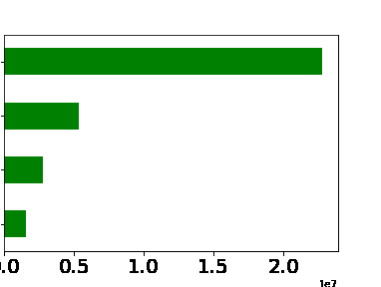

Married
The bar chart clearly shows that most purchases are made by customers that are married. The least are made by customers living with parents and siblings.

Single

Divorced/ Widowed

Living with Parents and siblings

 |  |  | Connection between Age and Income
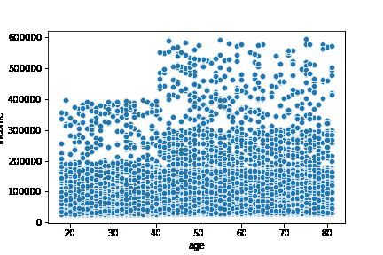

We can see from 20-40 years old the income is generally under 200,000. At 40 years old the income jumps up another 100,000 and stays mostly around 300,000 through to 80 years old. This shows that the spending ability of 40+ year old customers is higher, reaching even up to 6000,000. While the highest spending ability of under 40 yr olds is 400,000.

Recommendations: The customer base should be increased by putting targeting ads for young adult and senior customers. Ads should be scheduled from 4 pm till 9 am during weekdays for customers of all ages, since their ordering behavior is similar. Ads should also be targeted toward single customers, divorved/widowed customers and customers living with thier parents.

Question 8
What different classifications does the demographic information suggest? Age? Income? Family status?

 |  | Number of Customers in Each Income
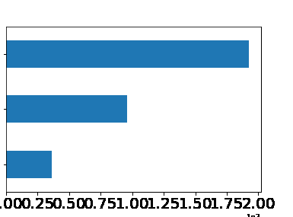
The bar chart to the left displays the proportion of customers that are in each income group as defined above. As we can see, the majority of customers are in the middle income group. The least customers are in the low income group.

Middle

High

- Less than 50,000 = Low Income
- Between 50,000 & 120,000 = Middle Income
- Above 120,000 = High Income

Low

 |  |  | Stacked Bar Chart for Age Groups and Income Groups
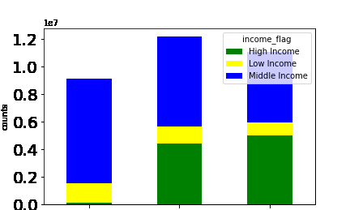

As can be seen from the stacked bar chart above, young Adults have the most middle income customers, the most low income customers and the least high income customers. Seniors have the most high income customers, and the least middle and low income customers.

-Age range 1 = Young Adult >= 18 & <35
-Age range 2 = Adult >=35 & <60
-Age range 3 = Senior >= 60

Young Adult
Adult
Senior

 |  |  | Customers With Dependants |  |  |  | Number of Dependants Per Age
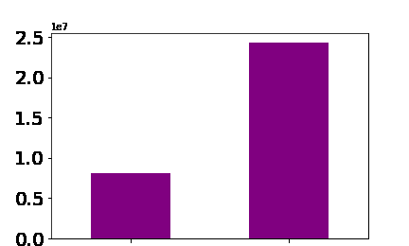
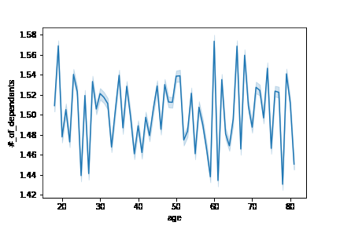

No Dependants
Yes Dependants

There is not a strong relationship between age and dependants. However, after around 60 yrs old, customers do tend to have a slightly higher percentage of dependants. All together no clear trend is apparent.

 |  | Number of Customers With and Without Dependants

As seen in the bar chart above, most customers do have dependants.

Recommendations: Revenue could be increased by advertising more expensive products to customers with higher income and cheaper/mid-range products to customers with lower income based on their order history, family status, and age group.

7. Recommendations
Recommendations

Question | Answer
Key Question 1 | Ads should be scheduled on weekdays in the early morning, night, and evening when there are fewest orders being placed.
 | Time of day breakdown:
 | - 12:00 am - 05:59 am = Early morning
 | - 06:00 am - 11:59 pm = Morning
 | - 12:00 pm - 04:59 pm = Afternoon
 | - 05:00 pm - 08:59 pm = Evening
 | - 08:59 pm - 11:59 pm = Night
Key Question 2 | Sales team should analyze the time 12pm and 7am in order to place ads for high range products.
Key Question 3 | Analysis should go into raising sales for low-range products. Currently low-range products account for 31% of sales, but almost 50% of available products.
Key Question 4 | The produce, dairy & eggs, snacks, beverages, and frozen departments account for the majority of orders and sales. Continued focus on these departments is recommended while analyzing how to increase sales in lower performing areas such as personal care and alcohol which can be frequently advertised.
Key Question 5 | The sales team should target more advertisements toward regular customers and new customers in order to increase frequency of orders and sales.
Key Question 6 | The number of customers from regions and sales per region corresponds to the population size of these regions. So the ads should be targeted to increase customer base across all four regions
Key Question 7 | The customer base should be increased by putting targeting ads for young adult and senior customers. Ads should be scheduled from 4 pm till 9 am during weekdays for customers of all ages, since their ordering behavior is similar. Ads should also be targeted toward single customers, divorved/widowed customers and customers living with thier parents
Key Question 8 | Revenue could be increased by advertising more expensive products to customers with higher income and cheaper/mid-range products to customers with lower income based on their order history, family status, and age group

